Performance test - Summary
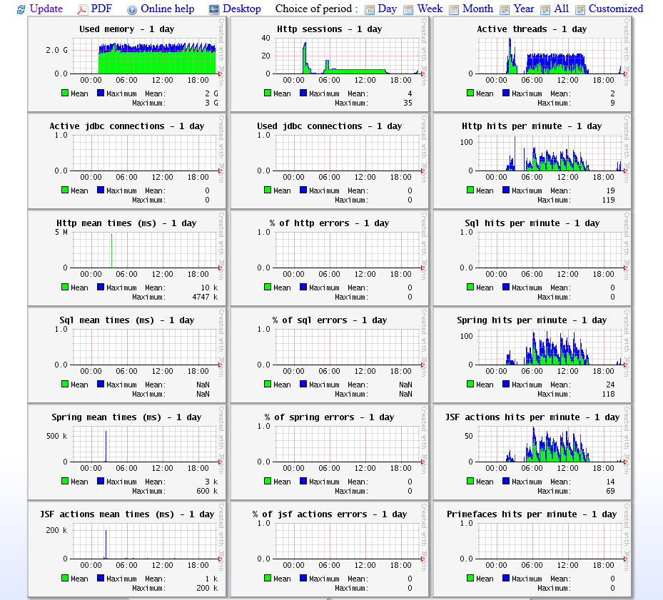
The test simulates 5 users login in zdev in 1000 seconds , then each one visites dur safety application for 10000 times. Think time is about 0.8s~1.2s, normal distribution, constant is 1s, deviation is 0.2s.

performance Test -2-Summary
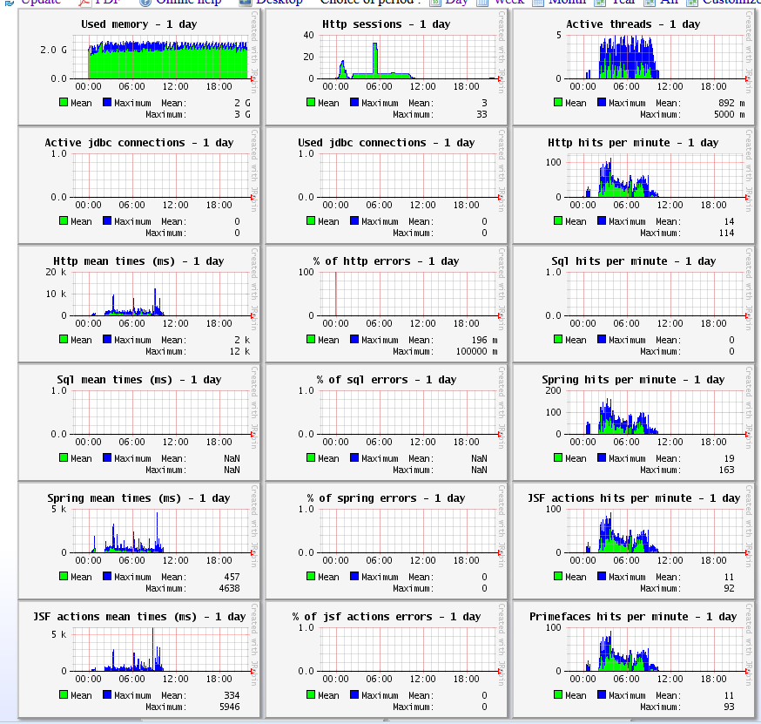

Load test 1 -Summary
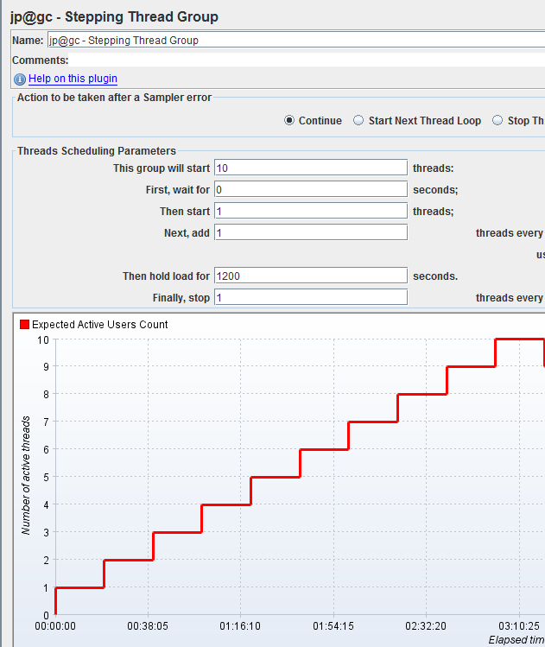
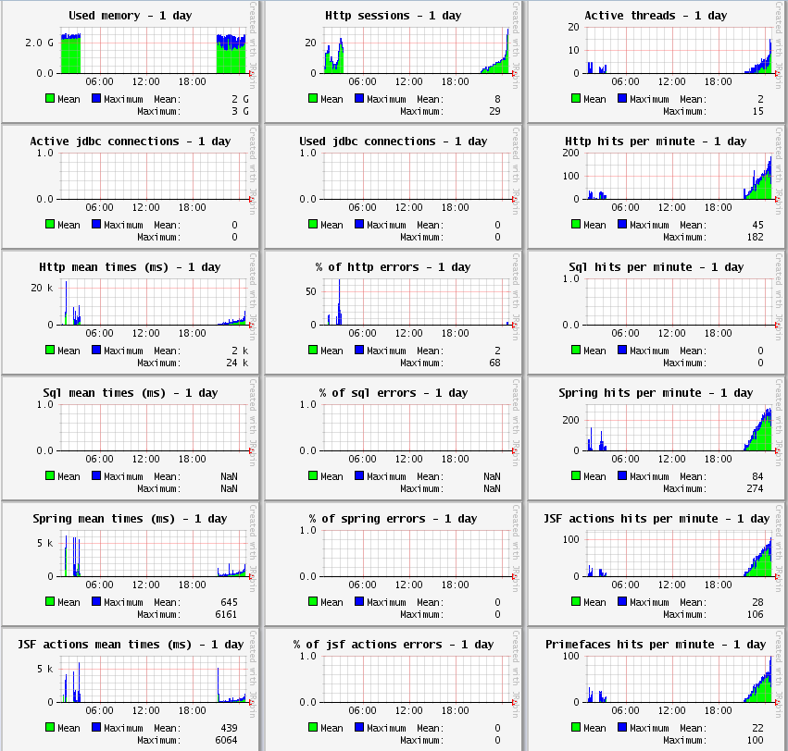
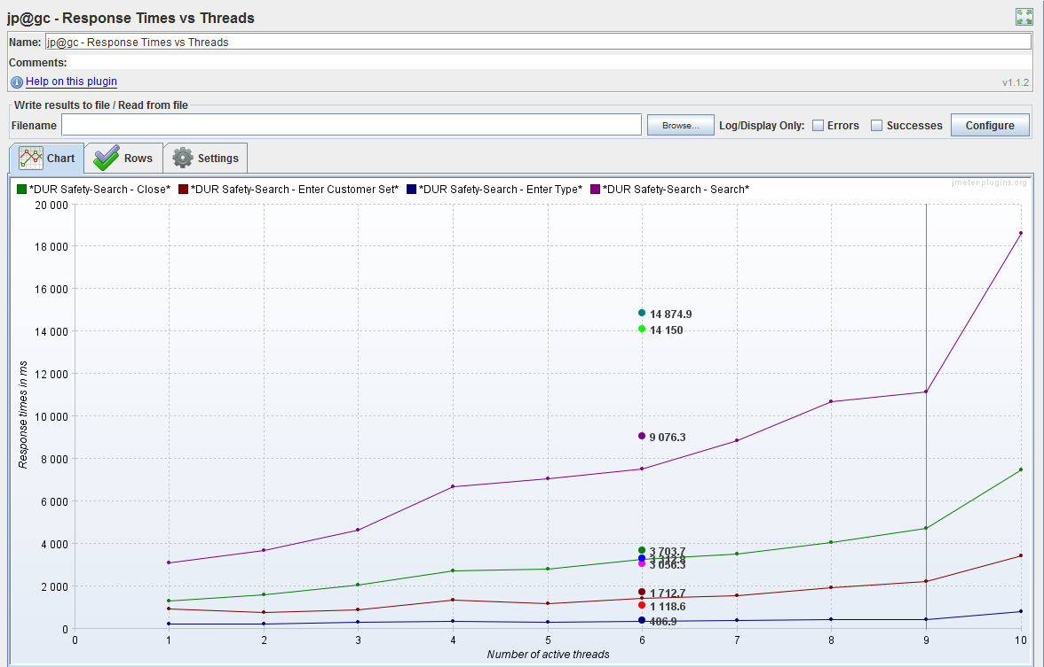
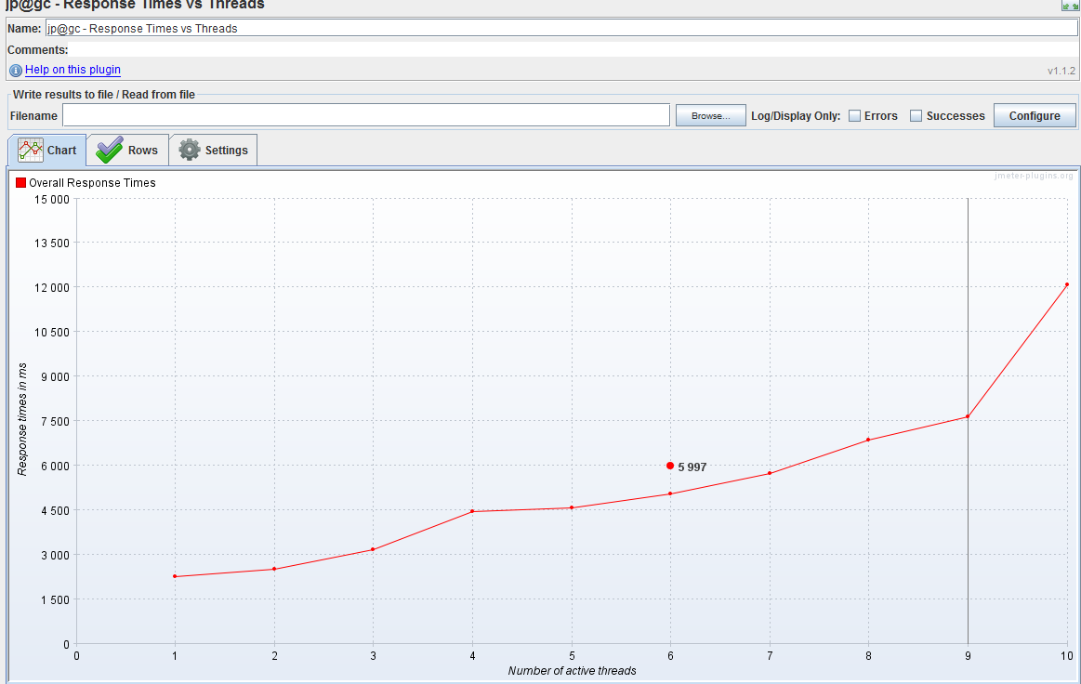
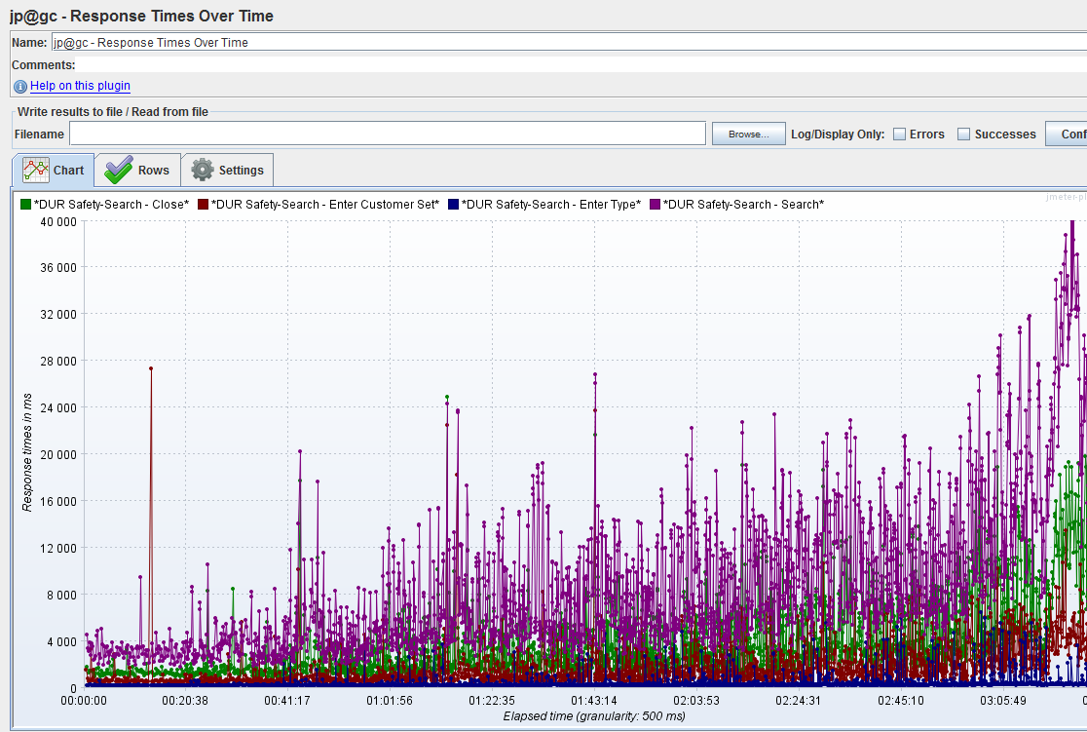
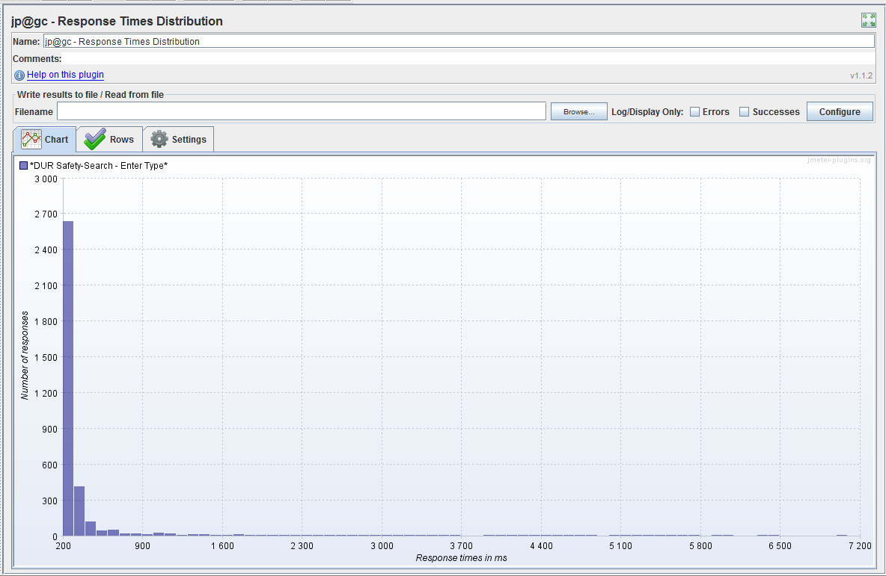
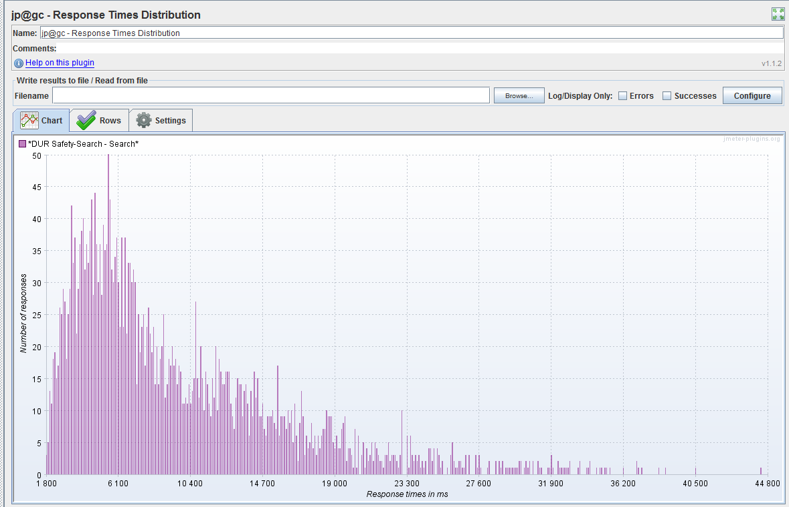
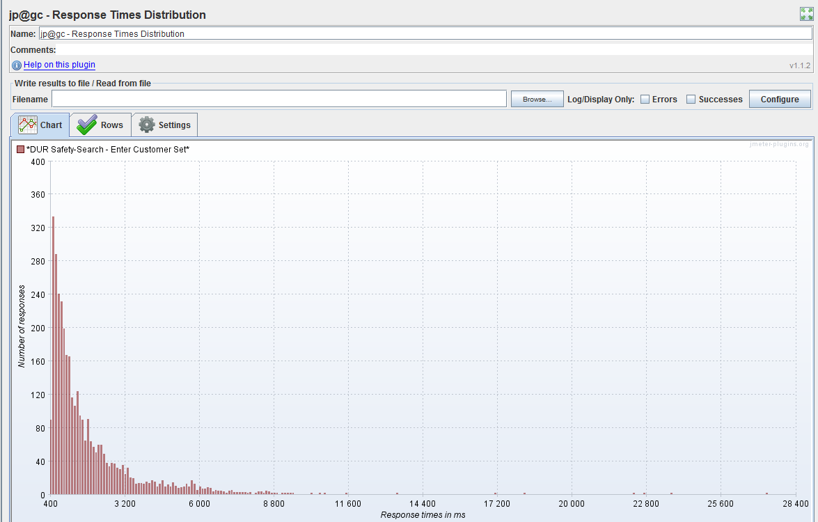
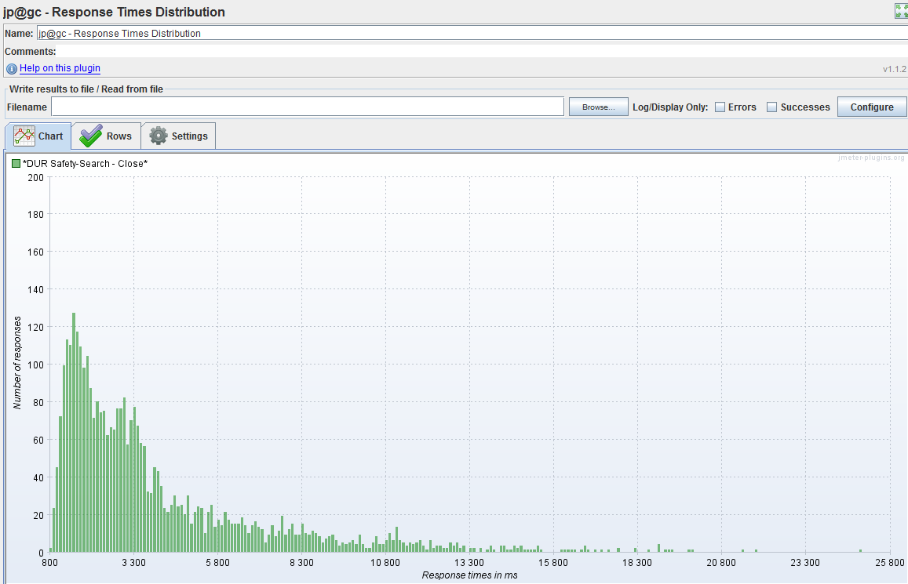
The test simulates 1~10 users login in zdev one afte one :first 1 user login zdev and search for one dursafty, after 20 minutes another user login and do the same thing, in the same way until 10 users login and hold for 20 minutes , Think time is about 0.8s~1.2s, normal distribution, constant is 1s, deviation is 0.2s. Test result as below.

load test 2 - Sumary
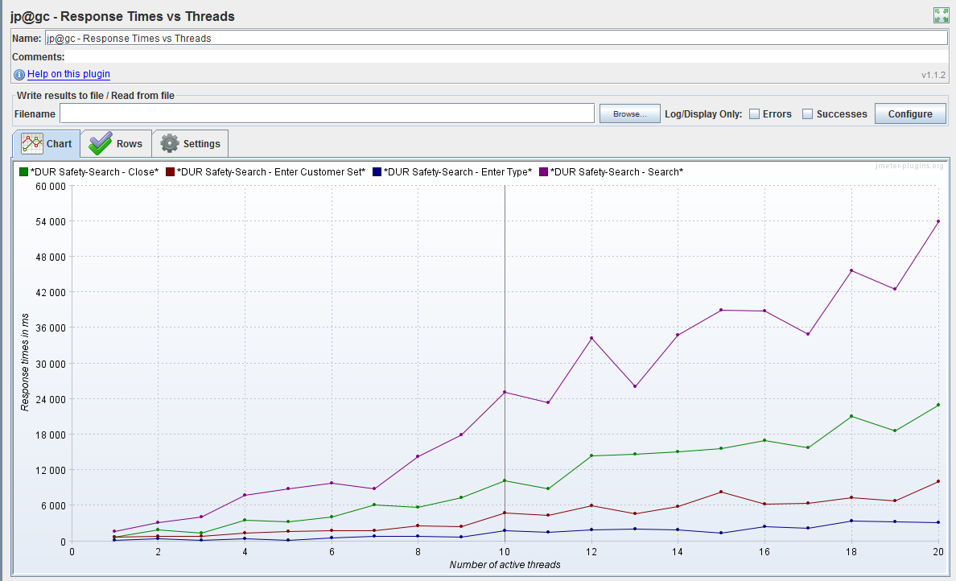
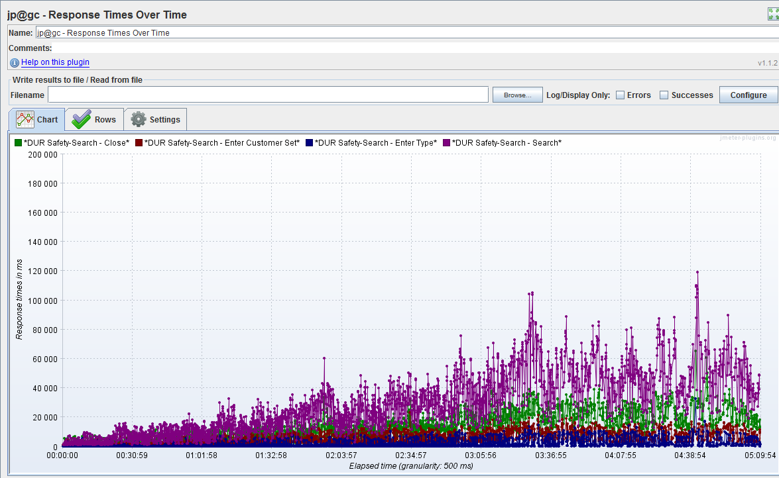
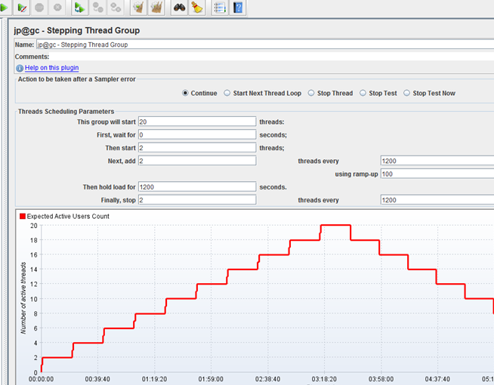
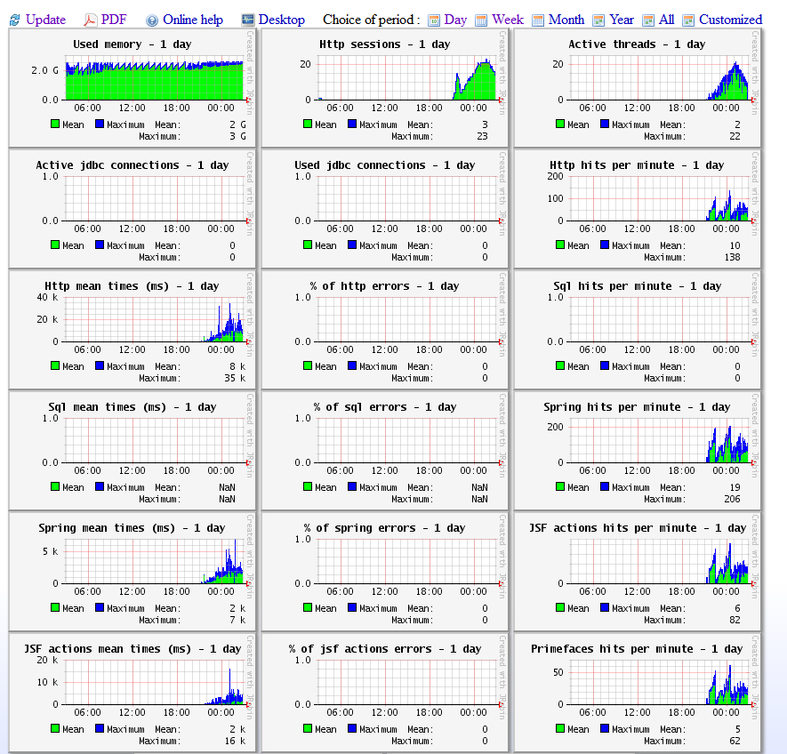
The test simulates 1~20 users login in zdev one afte rone:first 2 user login zdev and search for one dursafty, after 20 minutes another 2 user login and do the same thing, in the same way until 20 users login and hold for 20 minutes , Think time is about 0.8s~1.2s, normal distribution, constant is 1s, deviation is 0.2s.
test case
 |  | system metrics

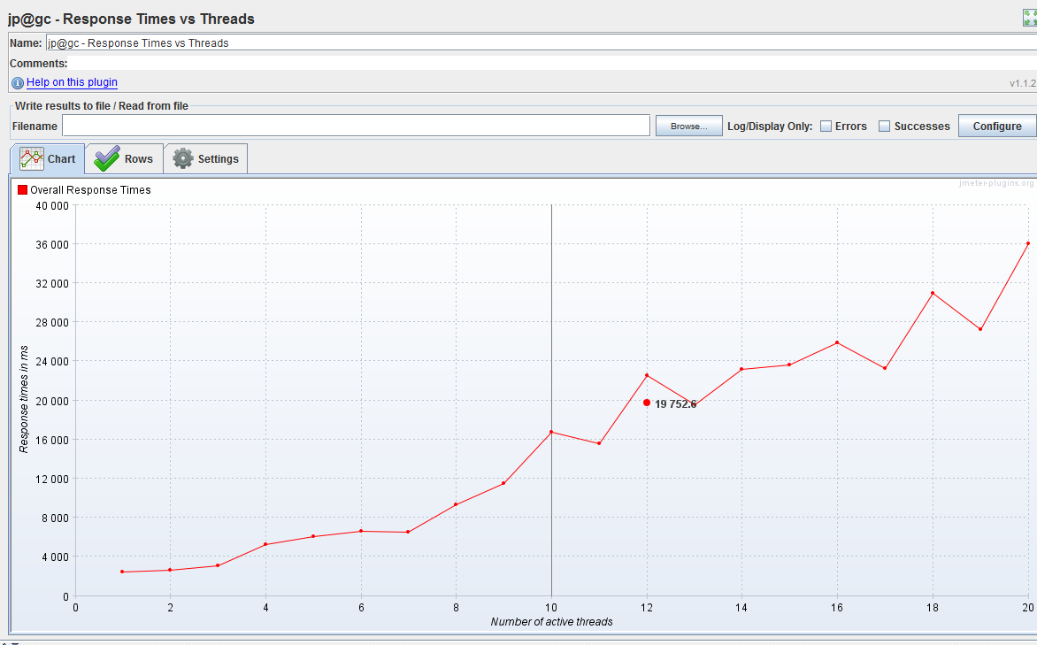
 | CPU metric | Response time vs threads

load test 3 -Summary
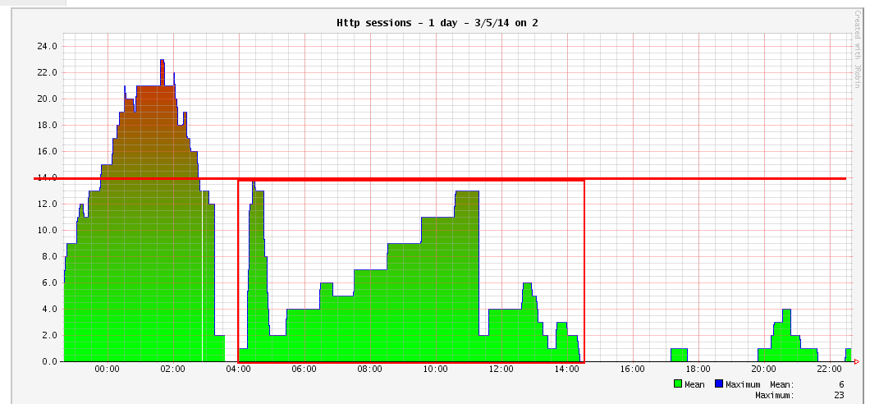
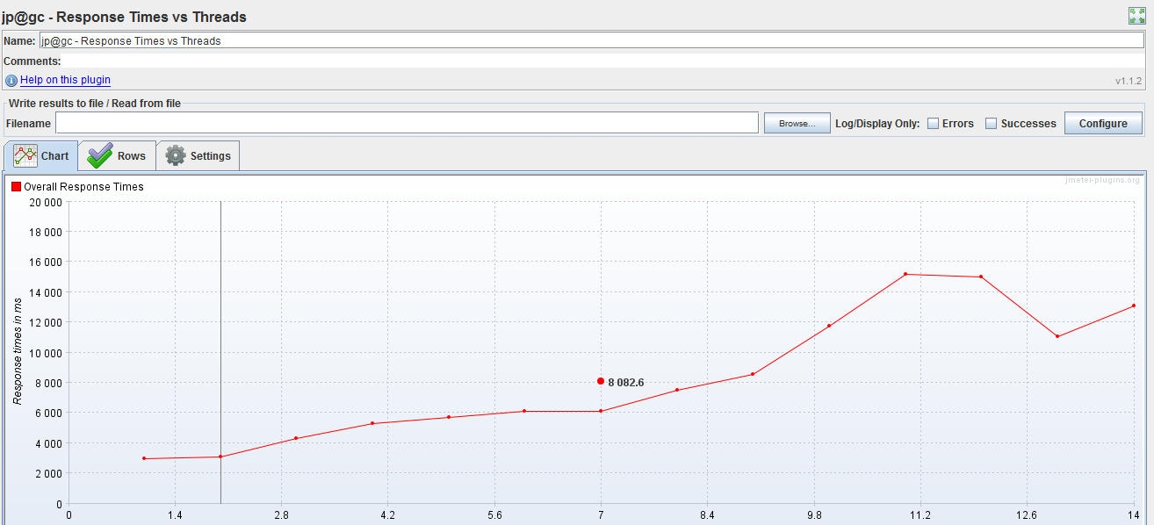
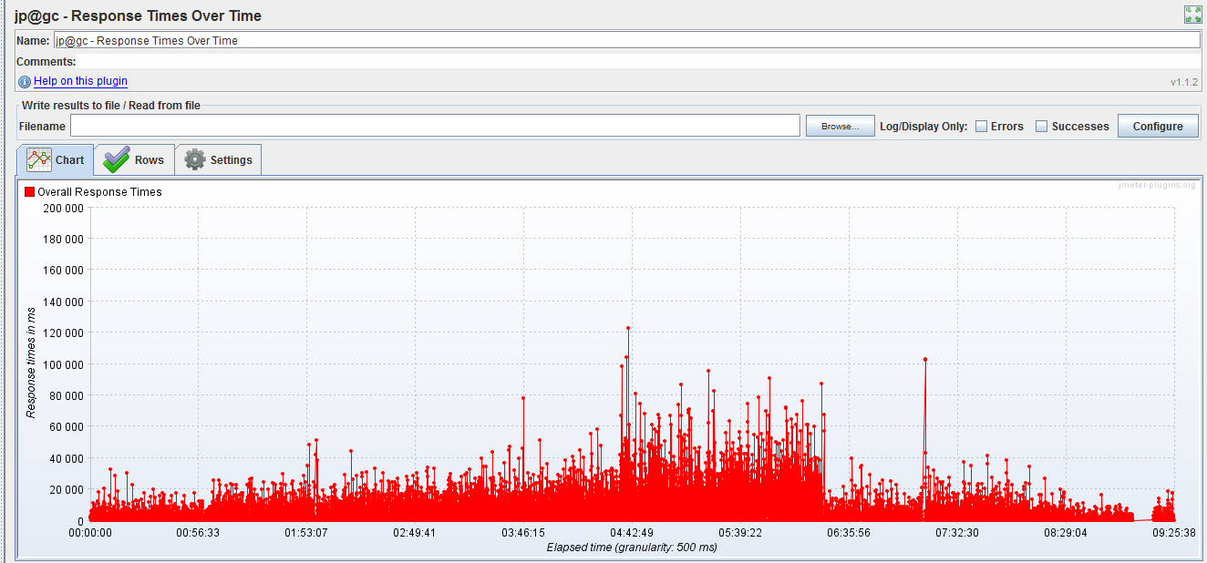
test case:
The test simulates 2~20 users login in zdev one afte one(Actually user num<=14, jemeter can not start other threads when thread num = 14, because of local jmeter out of memory exception.):
First 2 user login zdev and search for one dursafty, after 1 hour another 2 user login and do the same thing, in the same way until 20 users login and hold for 1 hour, then uses stopped one by one in 5 hours. Think time is about 0.8s~1.2s, normal distribution, constant is 1s, deviation is 0.2s.
test result:
response time grows as use number, when User number >7, dursafety response time grows quickly.
after users number descrease, response time descrease too.
when user number = 14, response time decrease, it might be caused by local jmeter out of memory exception.

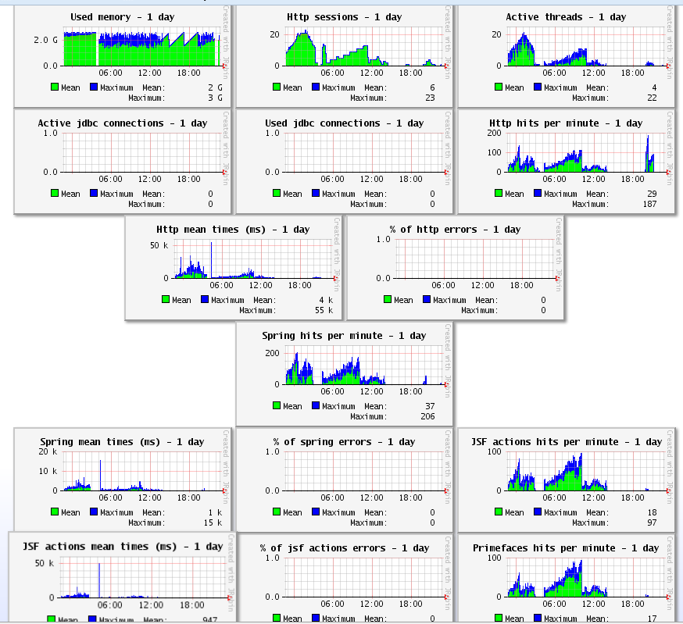
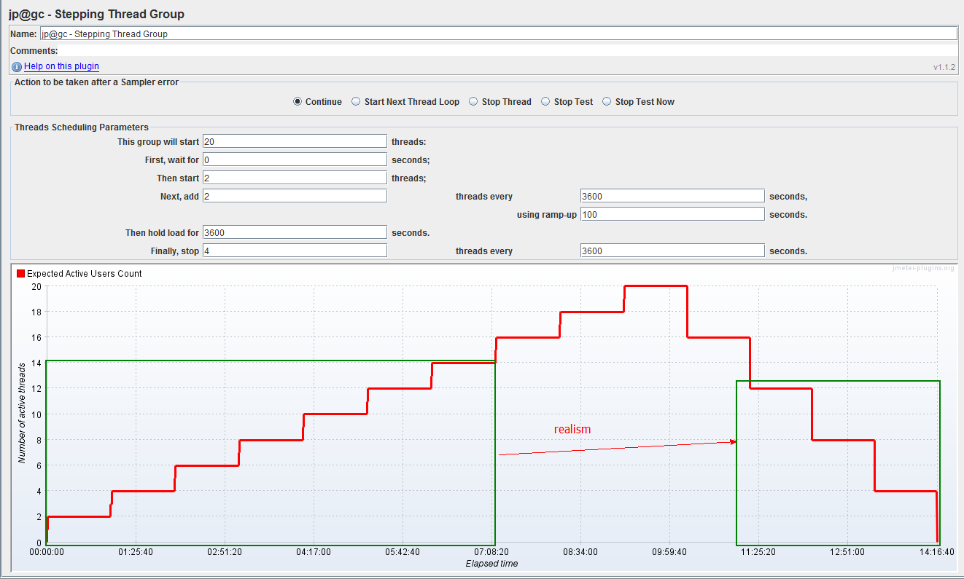

 | Actual http sessions:

load test 3 - Detail
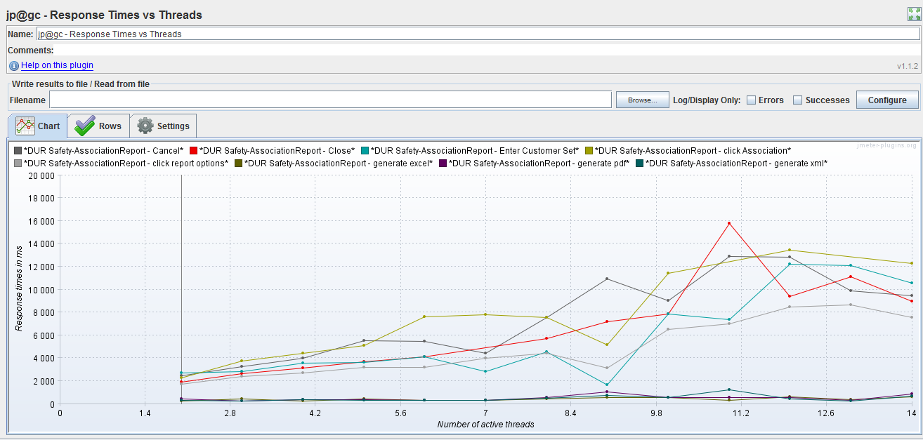
Below are detail information for each function:

search
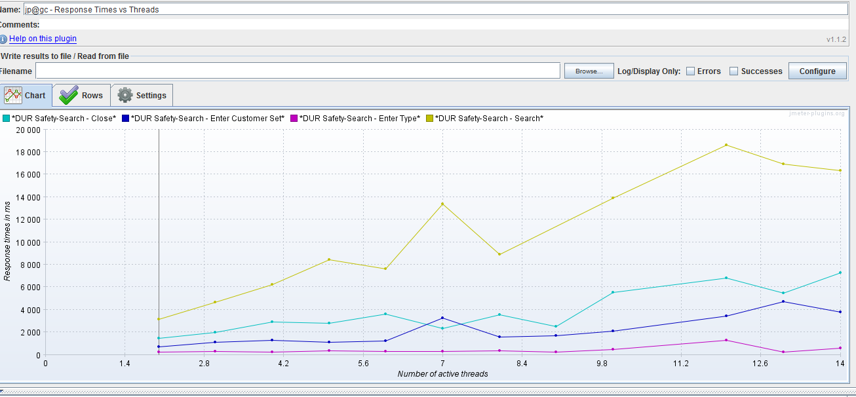

Edit
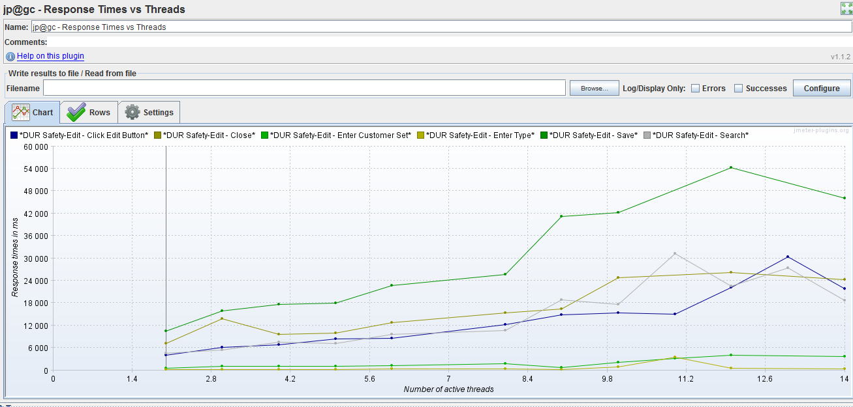

Copy
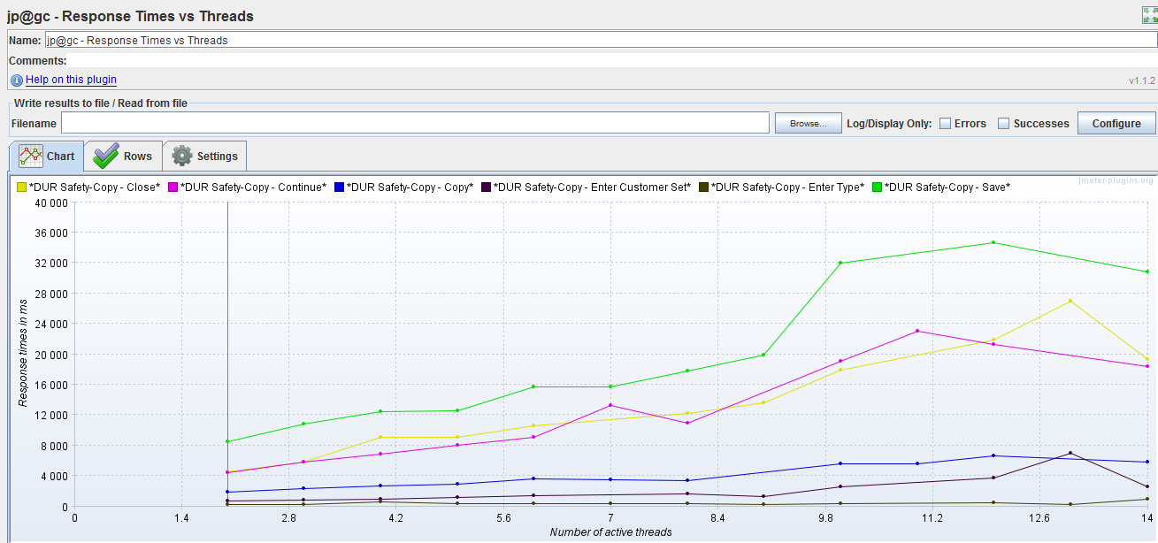

Create
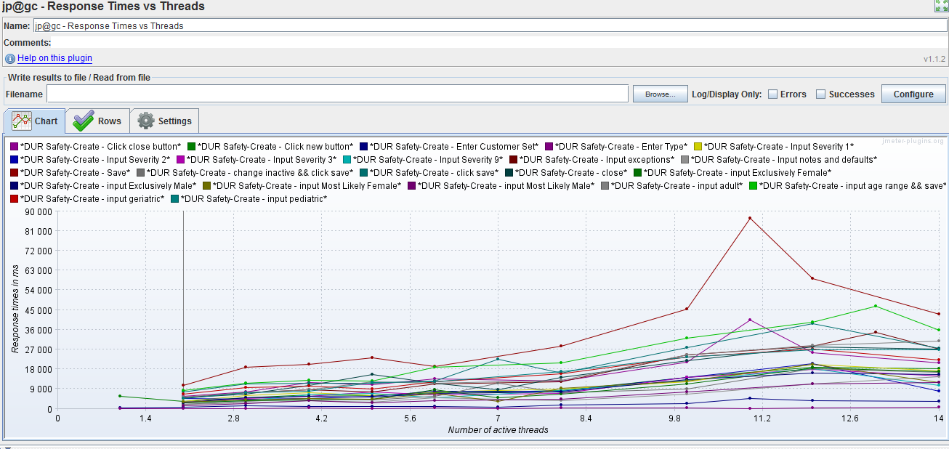

Detail Report
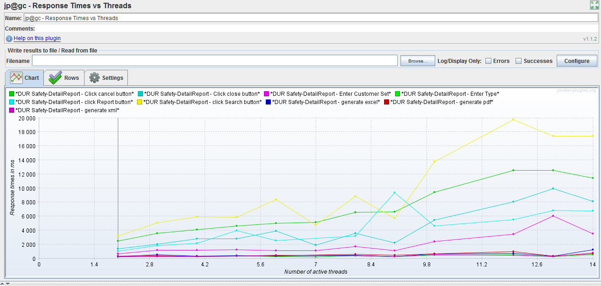

Aaaociation search
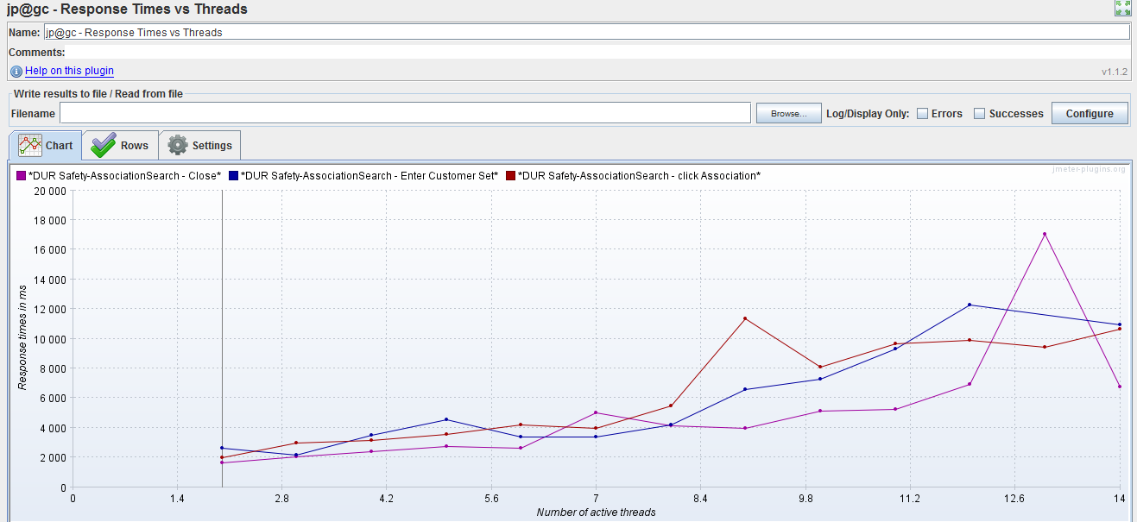

Association report

Stress Test -1
Test Case 1
Test Goal: Search function does not fail under stress in terms of excessive volume of data.
Test Design: Find a customer set which does not have any dur safety information. Insert dur data into the customer set in the database, and record the time that is needed for a search operation. The test stops when there are more than 10,000 records on the customer set or the search function fails to get the correct result.
Workload: 1 Simultaneous user.
Test Duration: Run the test for 2 hours.
Expected results:
1) Search function can always return correct search result for the corresponding criteria;
2) The response time should be acceptable (usually no more than 10 seconds);
3) No server error should come up during test.

Test Result:

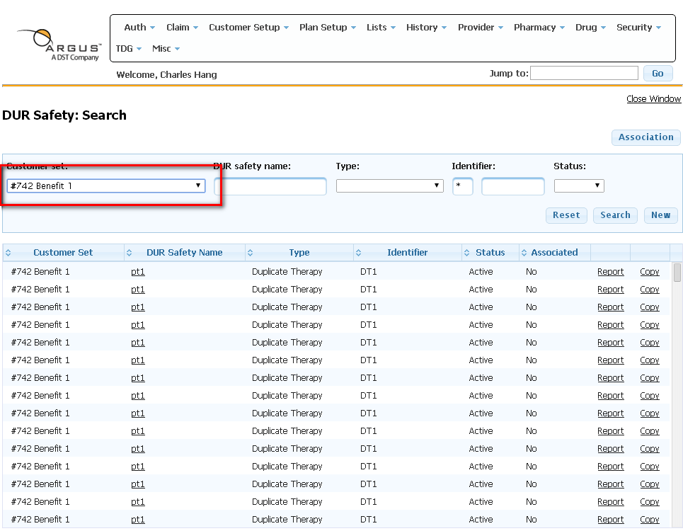 The search function works very slowly even with a few result data. And an “Internal Server Error” occurs when the response time is greater than 10 minutes (when fetching more than 550 rows of records). The response time for different number of results is show in the following table.
Number of Records | Response Time (seconds)
10 | 16.65
20 | 26.4
30 | 32.14
40 | 35.61
50 | 38.31
60 | 61
70 | 75
80 | 88.38
90 | 91.6
100 | 100.36
120 | 128.5
140 | 146.33
160 | 161.35
180 | 217028
200 | 232.28
250 | 239.1
300 | 365.16
400 | 460.76
500 | 564.67
550 | 598.37
600 | Internal Server Error

